1. Title Page
Instacart Grocery Basket Analysis

Project Name: Instacart Grocery Basket Analysis
Date: September 26, 2022
Analyst Name: Nuki Susanti

Contents:
Population Flow
Consistency checks
Wrangling steps
Column derivations
Visualizations
Recommendations

Data: “The Instacart Online Grocery Shopping Dataset 2017”, Accessed from https://www.instacart.com/datasets/grocery-shopping-2017.

2. Population Flow
Title page

Population flow

Exclusion flag
Condition: max_order < 5
Obervations to be removed:
Final total count of order_products_all:

Orders_products_combined
Orders_products_merged
Orders_products_all

Total: 32,404,859
Total: 32,434,489
Total: 32,404,859

1.) The grey boxes in the first row of the population flow represent the original data sets as they were when you downloaded them. In the Total fields you need to add the count of the rows when you imported the data set into Jupyter.
2.) The second row of boxes (coloured) represents the data sets after you manipulated them, e.g., removed missing values and duplicates. In the Total fields you need to add the count of the rows after conducting these operations. This offers a visual oveview of how the data flows throughout the data consistency checks.
3.) The third row, where also the arrows are coloured, represents the merges you performed between the datasets. In the Total fields you need to add the count of the rows in the merged datasets, so that you end up with the final dataset (in the red box). Keep in mind the final dataset should be without exclusions (based on the exclusion flag).

3. Consistency checks
 |  |  |  | Title page
Consistency checks

Dataset | Missing values | Missing values treatment | Duplicates
orders | 206209 | nothing - indicates first order | no duplicate values found
products | 16 | dataset without missing values created
 | 2 values > $25 | changed to NaN
 |  |  | 5 records with exact duplicates removed
orders_products_prior | no missing values found |  | no duplicate values found
customers | 11259 NaN | nothing-name will be removed later on | no duplicate values found

4. Wrangling steps
 |  |  |  | Title page
Wrangling steps

Columns dropped | Columns renamed | Columns' type changed | Comment/Reason
eval_set |  |  | not necessary for analysis
 | order_dow->order_day_of_week |  | name was not clear
 | user_id->customer_id |  | name was not clear
 | first_name |  | missing values
first_name |  |  | confidential/privacy
 |  | all except product_name' | jupyter crashed. downcasting to lower type and object to category
 | department added |  | relating to department_id
days_since_prior_order == -1 |  |  | influencing statistical measure
Low-activity customer |  |  | client request

5. Column derivations
 |  |  |  | Title page

Column derivations and aggregations

Dataset | New column | Column/s it was derived from | Conditions
df_orders_products_merged | prices | price_range_loc | df_orders_products_merged.loc[df_orders_products_merged['prices'] > 15, 'price_range_loc'] = 'High-range product' df_orders_products_merged.loc[(df_orders_products_merged['prices'] <= 15) & (df_orders_products_merged['prices'] > 5), 'price_range_loc'] = 'Mid-range product' df_orders_products_merged.loc[df_orders_products_merged['prices'] <= 5, 'price_range_loc'] = 'Low-range product'
 | busiest_day | order_day_of_week | for value in df_orders_products_merged["order_day_of_week"]: if value == 0: result.append("Busiest day") elif value == 4: result.append("Least busy") else: result.append("Regularly busy")
 | busiest_period_of_day | order_hour_of_day | for value in df_orders_products_merged['order_hour_of_day']: for key, val in dict_labeling_counts.items(): if value == key: if val < list_quantile[2]: results_labeling_hour.append('Fewest orders') elif val >= list_quantile[2] and val < list_quantile[1]: results_labeling_hour.append('Average orders') elif val >= list_quantile[1]: results_labeling_hour.append('Most orders')
orders_products_merged_update | loyalty_flag | max_order | df_ords_prods_merged.loc[df_ords_prods_merged['max_order'] > 40, 'loyalty_flag'] = 'Loyal customer' df_ords_prods_merged.loc[(df_ords_prods_merged['max_order'] <= 40) & (df_ords_prods_merged['max_order'] > 10), 'loyalty_flag'] = 'Regular customer' df_ords_prods_merged.loc[df_ords_prods_merged['max_order'] <= 10, 'loyalty_flag'] = 'New customer'
 | spender_flag | avg_price | df_ords_prods_merged.loc[df_ords_prods_merged['avg_price'] < 10, 'spender_flag'] = 'Low spender' df_ords_prods_merged.loc[df_ords_prods_merged['avg_price'] >= 10, 'spender_flag'] = 'High spender'
 | frequency_flag | median_days_since_prior_order | df_ords_prods_merged.loc[df_ords_prods_merged['median_days_since_prior_order']>20, 'frequency_flag'] = 'Non-frequent customer' df_ords_prods_merged.loc[(df_ords_prods_merged['median_days_since_prior_order']>10) & (df_ords_prods_merged['median_days_since_prior_order']<=20), 'frequency_flag'] = 'Regular customer' df_ords_prods_merged.loc[df_ords_prods_merged['median_days_since_prior_order']<=10, 'frequency_flag'] = 'Frequent customer'
ords_prods_cust_cleaned2 | region | state | result = [] for state in df['state']: if state in Northeast: result.append('Northeast') elif state in Midwest: result.append('Midwest') elif state in South: result.append('South') else: result.append('West')
 | customer_activity | max_order | df.loc[df['max_order'] >= 5, 'customer_activity'] = 'High-activity customer' df.loc[df['max_order'] < 5, 'customer_activity'] = 'Low-activity customer'
df_final_ver2 | age_group | age | df.loc[(df['age'] >= 15) & (df['age'] <= 24), 'age_group'] = '15-24' df.loc[(df['age'] >= 25) & (df['age'] <= 34), 'age_group'] = '25-34' df.loc[(df['age'] >= 35) & (df['age'] <= 44), 'age_group'] = '35-44' df.loc[(df['age'] >= 45) & (df['age'] <= 54), 'age_group'] = '45-54' df.loc[(df['age'] >= 55) & (df['age'] <= 64), 'age_group'] = '55-64' df.loc[(df['age'] >= 65) & (df['age'] <= 74), 'age_group'] = '65-74' df.loc[(df['age'] >= 75) & (df['age'] <= 84), 'age_group'] = '75-84'

6. Visualizations
 |  |  |  |  |  | Title page

Visualisations

In this tab you should include all the visualtions from Exercises 4.9 and 4.10, alongside the questions from the project brief that they answer. Include any commentary on the relationship between different variables.

KEY QUESTIONS

1. The sales team needs to know what the busiest days of the week and hours of the day are (i.e., the days and times with the most orders) in order to schedule ads at times
when there are fewer orders.
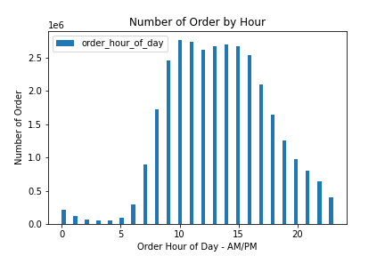
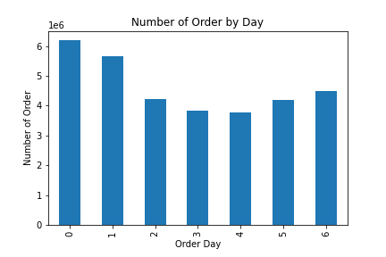

 | OBSERVATIONS:
 | a. Most orders occured between 10 AM to 3 PM with only slight differences. It starts to drop at 4 PM. However, afternoon and night orders are considerably high, compared to midnight orders (12-5 AM).
 | While significant rise on orders happened to be in the morning, between 6 to 9AM.
 | b. Sunday and Monday are the most busiest days where most of orders are placed.

 | RECOMMENDATIONS:
 | Ads should be intensified when orders are at minimum period, at 4 - 9 PM during weekdays.
 | While during weekend, ads could be targetted for new customers, such as referal bonus. When many people are ordering, they might also see this interesting offer and ask their families, friends, etc. to join.

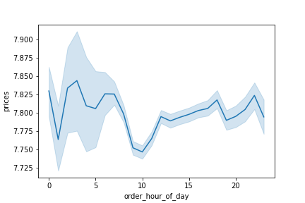
2. They also want to know whether there are particular times of the day when people spend the most money, as this might inform the type of products they advertise at these times.

 | OBSERVATIONS:
 | a. As depicted by the line chart above, customers tend to spend most of money on the midnight and morning orders, in this case, it is between 1 AM to 9 AM.
 | However, from the previous histogram, it was discovered that this period of time is the low order period. In other words, this could mean that we earn more profit from these high value orders despite its low order quantity.

 | b. Interestingly, the lowest value of orders occured at 10 AM and slowly increase afterwards.
 | While, the histogram clearly shown that day time is generaly busy time where most orders are placed. This also proves that we earn less profit from these low value orders despite its high order quantity.

 | RECOMMENDATIONS:
 | Ads of high range products should be started at 10 AM until around 6 PM.

3. Instacart has a lot of products with different price tags. Marketing and sales want to use simpler price range groupings to help direct their efforts.

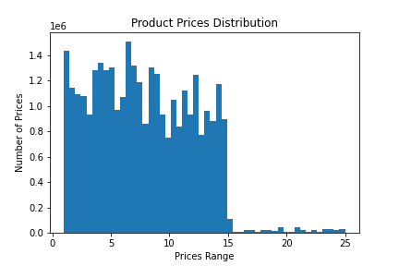
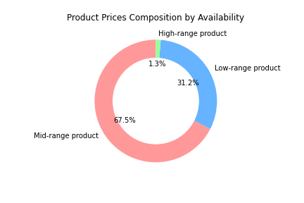
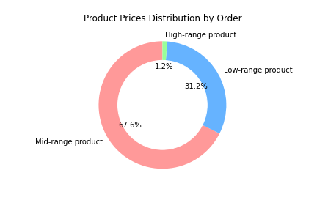

 |  |  | - If a product costs less than or equal to $5, it will be labeled 'Low-range product'
 |  |  | - If a product costs more than $5 but lower than $15, it will be labeled 'Mid-range product'
 |  |  | - If a product costs more than $15, it will be labeled 'High-range product'

 | OBSERVATIONS:
 | a. The histogram above shows the range of product prices. The lowest, highest and average price are $1, $25 and $7.4, respectively.
 | b. The majority of instacart products is concentrated in the low to mid-range group.
 | c. Only 1.3% of all products is high-range product.
 | d. From the third pie chart, it can be seen that the products availability for each group corresponds to the number of order.

 | RECOMMENDATIONS:
 | In general, the order of high-range products is considered low compared to the mid and low-range products.
 | Altough it may seem too tempting to sell more high-range products in order to gain high profit by just one order , however, it can be challenging as the price is also higher.
 | First, customer may think several times before buying and compare to other stores as they have to spend quite amount of money. This of course could influence the number of order.
 | Second, based on the first point, sales and marketing team should learn how the competition situation in the high-range products.
 | Third, high-range products means greater loss when it can be dealt properly, for example during delivery by supplier or during storing.
 | Ads can then be adjusted accordingly afterwards.

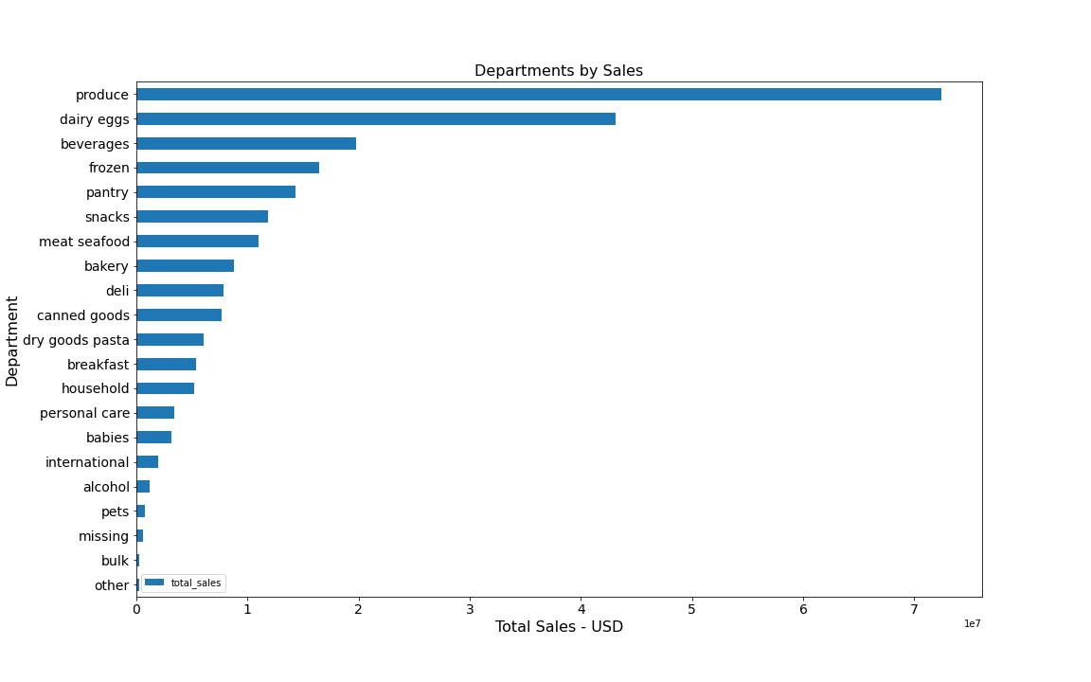
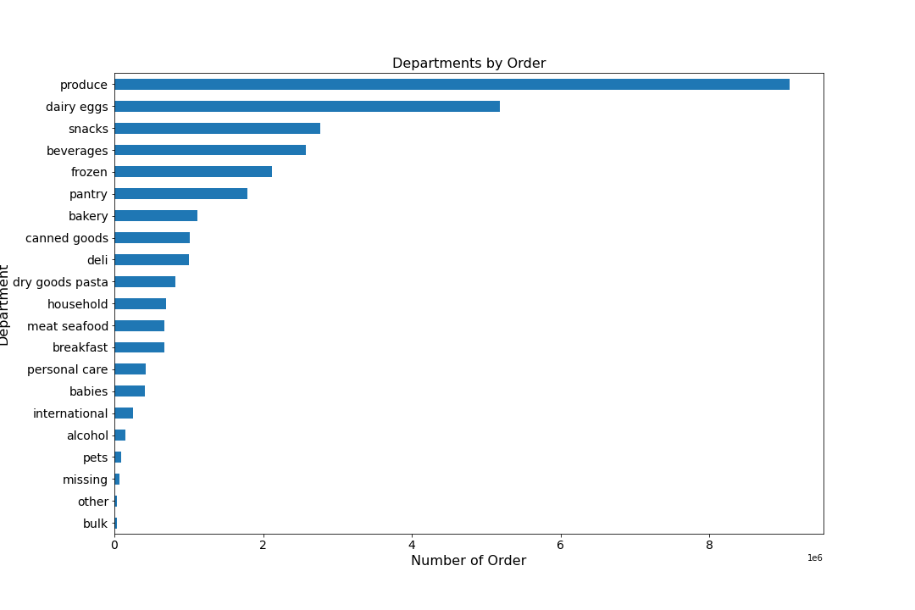
4. Are there certain types of products that are more popular than others? The marketing and sales teams want to know which departments have the highest frequency of product orders.

 | OBSERVATIONS:
 | Looking at two bar charts above, 4 most profitable departments are: dairy eggs, produce, beverages and snacks. It is therefore interesting to see which kind of customers places those orders.
 | For reference:
 | Produce is a generalized term for many farm-produced crops, including fruits and vegetables (grains, oats, etc. are also sometimes considered produce).
 | More specifically, the term produce often implies that the products are fresh and generally in the same state as where and when they were harvested.

 | RECOMMENDATIONS:
 | Ads should be made more actively on these 4 departments, for example by regularly informing what products are currently on the discount and what will be discounted in the next turn.
 | For products from produce department, it should be highlighted in case those products are locally produced. This of course could influence customers who are aware of sustainability issue.

5. The marketing and sales teams are particularly interested in the different types of customers in their system and how their ordering behaviors differ.
 | a. What’s the distribution among users in regards to their brand loyalty (i.e., how often do they return to Instacart)?

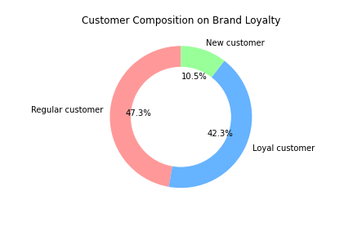
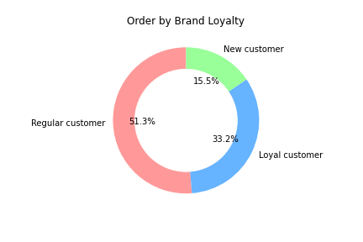
 |  |  |  | - If a customer makes less than or equal to 10 orders, it will be labeled 'New customer'
 |  |  |  | - If a customer makes more than 10 orders but less than 40 orders, it will be labeled 'Regular customer'
 |  |  |  | - If a customer makes more than 40 orders, it will be labeled 'Loyal customer'

 | OBSERVATIONS:
 | a. From the left pie chart, it can be seen that regular customers and loyal customers made up the majority of Instacart current customer.
 | b. As regular and loyal customers are the majority, most orders are made by these two groups.

 | RECOMMENDATIONS:
 | More research should be conducted on these groups, for example questionnaire on: why someone decides to join as a new customer, what makes them loyal and what encourage them to regularly shop on Instacart?
 | Once their motives are discovered, specific ads should be effectively targeted to each of this group.

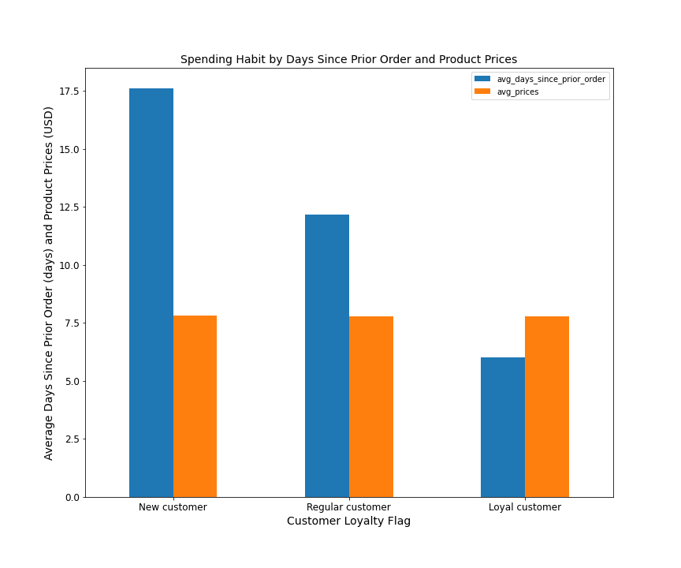
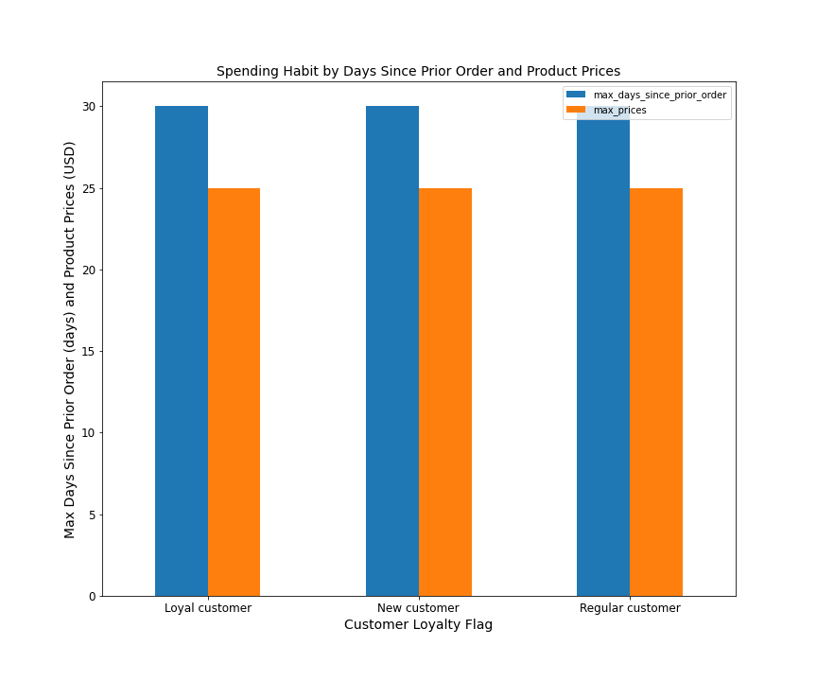
 | b. Are there differences in ordering habits based on a customer’s loyalty status?

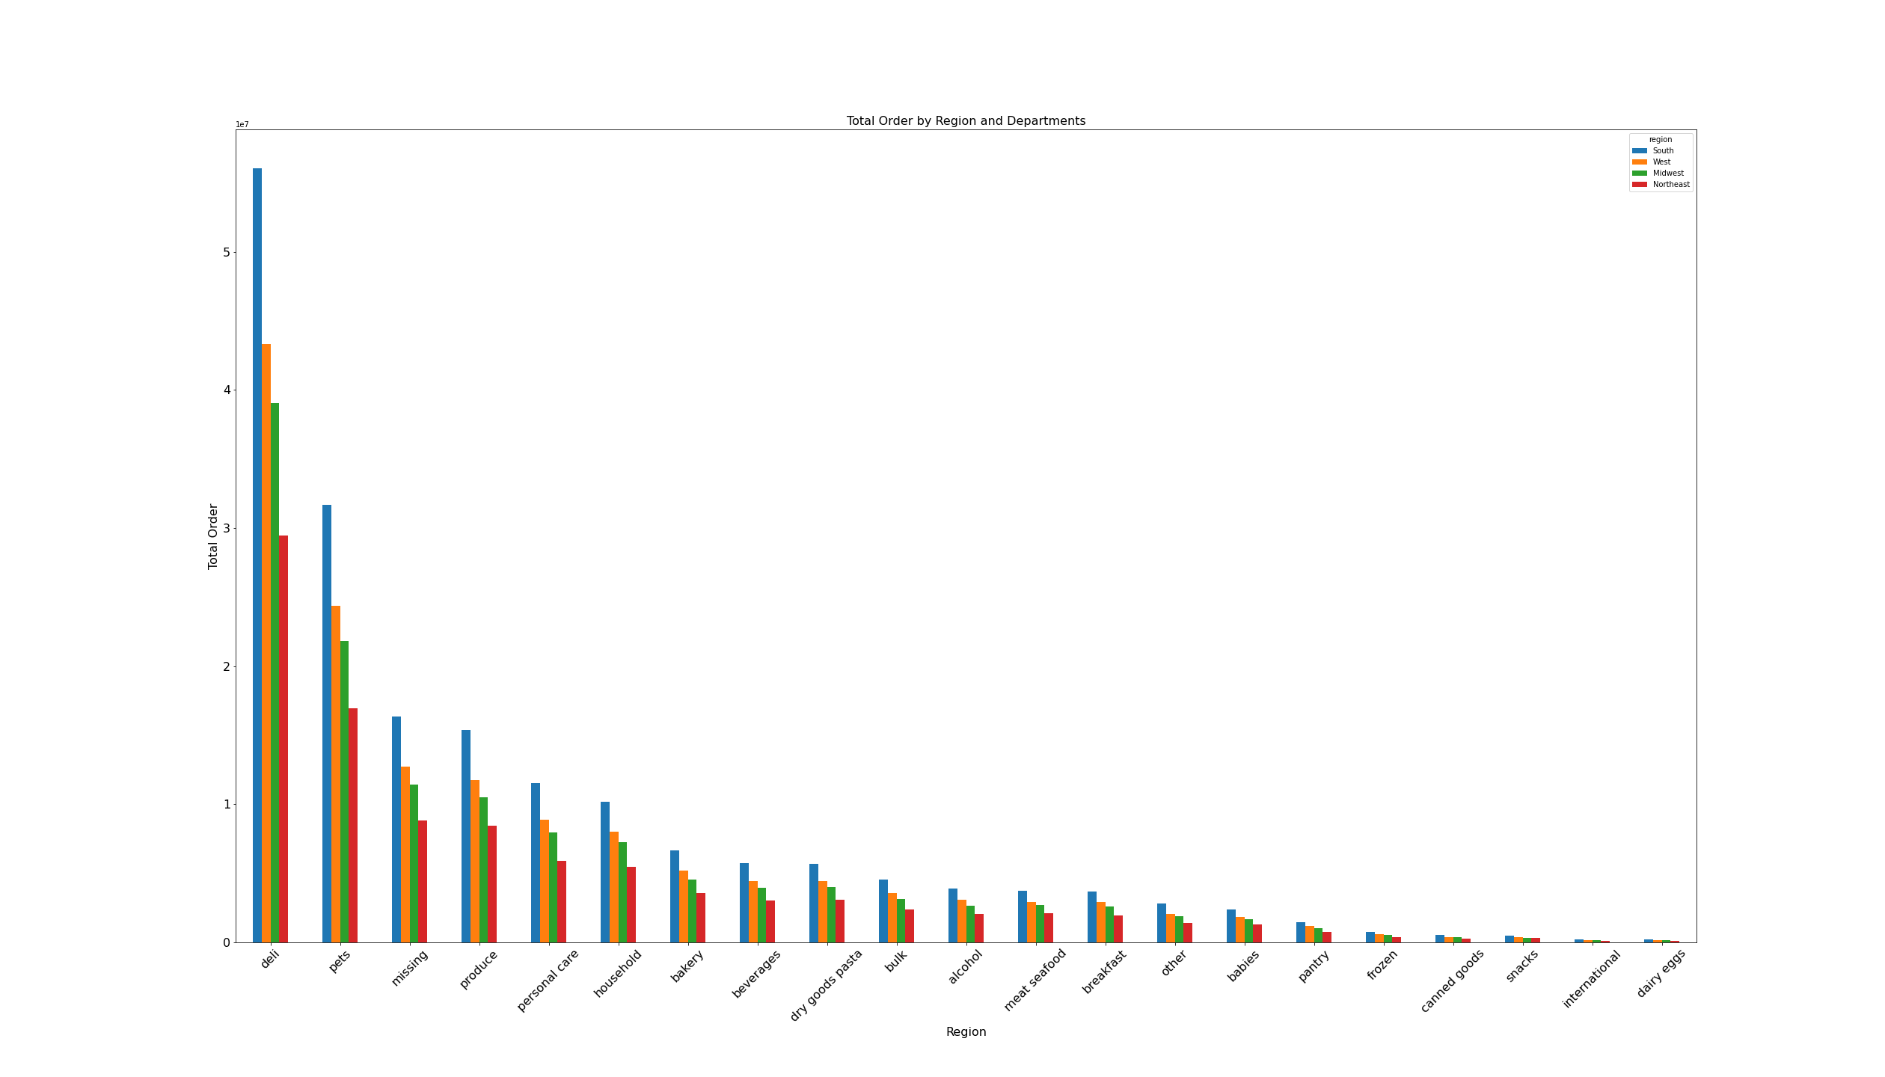
 | OBSERVATIONS:
 | a. The bar charts above shows the spending habit in average and in maximum values in terms of day since prior order and products prices.
 | b. Generally, their habit in spending is not quite different from each other. The only difference is that loyal customer in average made the fastest order since the previous order, followed by regular and new customers.

 | RECOMMENDATIONS:
 | Regular reminder (for example: notification via app, email, etc.) could be used to encourage new customers to make new orders.

 | c. Are there differences in ordering habits based on a customer’s region?
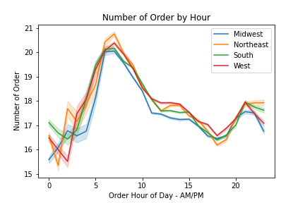
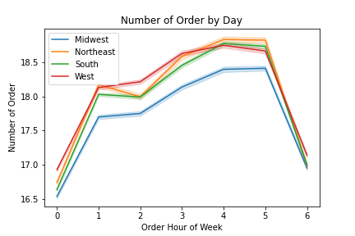

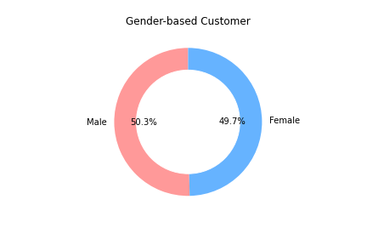

 | OBSERVATIONS:
 | a. As shown by two line charts, there is no difference in terms of order time in all regions above.
 | It has peak at early morning and at the weekend.
 | b. It is so surprising when total sales is broken down into region and departments. Deli department has the highest sales among other department in all regions.
 | It is then followed by pets, missing, produce and personal care.
 | For reference:
 | Deli (delicatessen ) is where ready-to-eat food products (such as cooked meats and prepared salads) are sold.

 | RECOMMENDATIONS:
 | Ads for pets and personal care should be effectively intensified as both has rather fixed customers.
 | For example: Pets products are of course interesting for people having pet at home.
 | And personal care can be easily divided into male and female groups and see the favorites among customers as Instacart has equal customers based on gender.
 | The data from department labelled missing here should be gained and researched more as there is promising market.


 | d. Is there a connection between age and family status in terms of ordering habits?
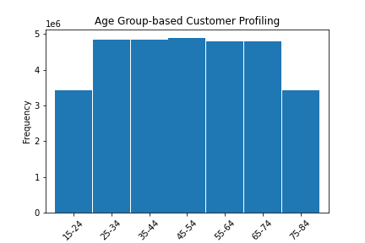
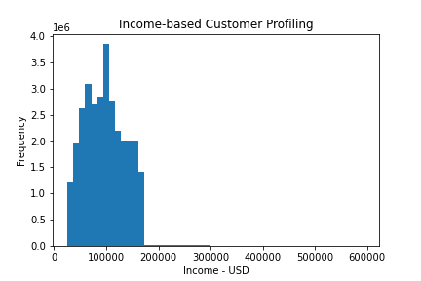

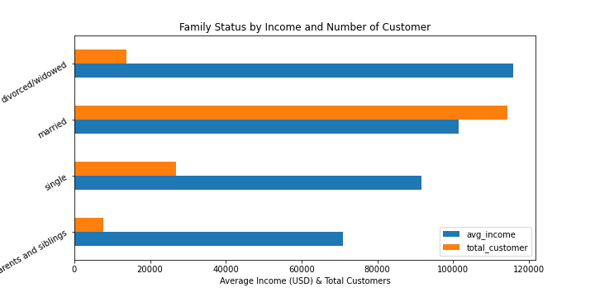

 | OBSERVATIONS:
 | a. The majority of customers is from the age of 25-74 with rather equal proportion.
 | b. The average income of the customers lays around $100,000.
 | c. The last scatter plot shows that:
 |  | 1. The majority age group of 20-40 years has a income range up to 200,000 USD and small portion of this group manage to earn up to 400,000 USD.
 |  | 2. At the age of 41 onwards, the income of majority of this group rises up to 300,000 USD. Small portion of thise group, however, earns higher up to 600,000 USD.
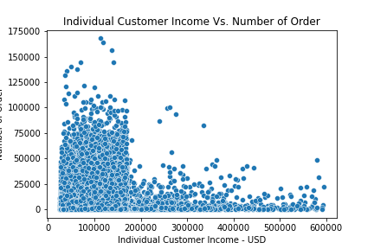
 | d. In general, income rises with age.
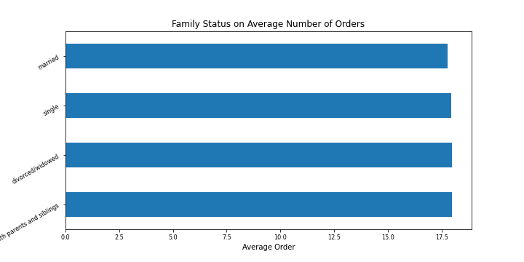

 | OBSERVATIONS:
 | a. The bar chart above shows that family status does not influence the average number of orders ($17.8 - $18) that customer placed which could mean that Instacart products reach all family models.
 | b. The scatter plot shows that there is no relationship between number of orders that customer placed and their corresponding income.
 | It is however revealed, that most orders are placed by customers who earn less than 200,000 USD.
 | It is also linked to our previous finding that the majority of our customers have family status of married with average income of 100,000 USD.

 | RECOMMENDATIONS:
 | As there is no connection between family status and income in terms of ordering habit, so ads should be targetted to each of this group individually containing their corresponding products.
 | Ads for low and mid-range products will attracts more order traffic as most orders are placed by customers who earn less than 200,000 USD.

 | e. What different classifications does the demographic information suggest? Age? Income? Certain types of goods? Family status?
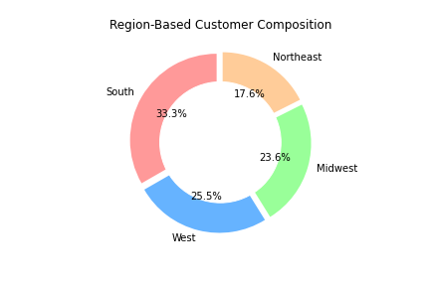
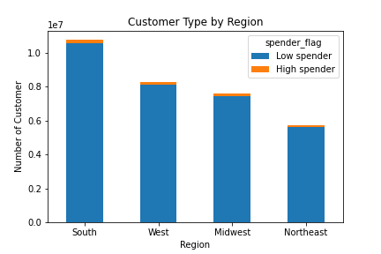
 |  |  |  |  | Reminder:
 |  |  |  |  | Spender flag is calculated for each 'user_id' based on the average price across all their orders.
 |  |  |  |  | Customer who makes order less than $10 is labbelled 'Low spender'
 |  |  |  |  | Customer who makes order equal to or more than $10 is labbelled 'High spender'

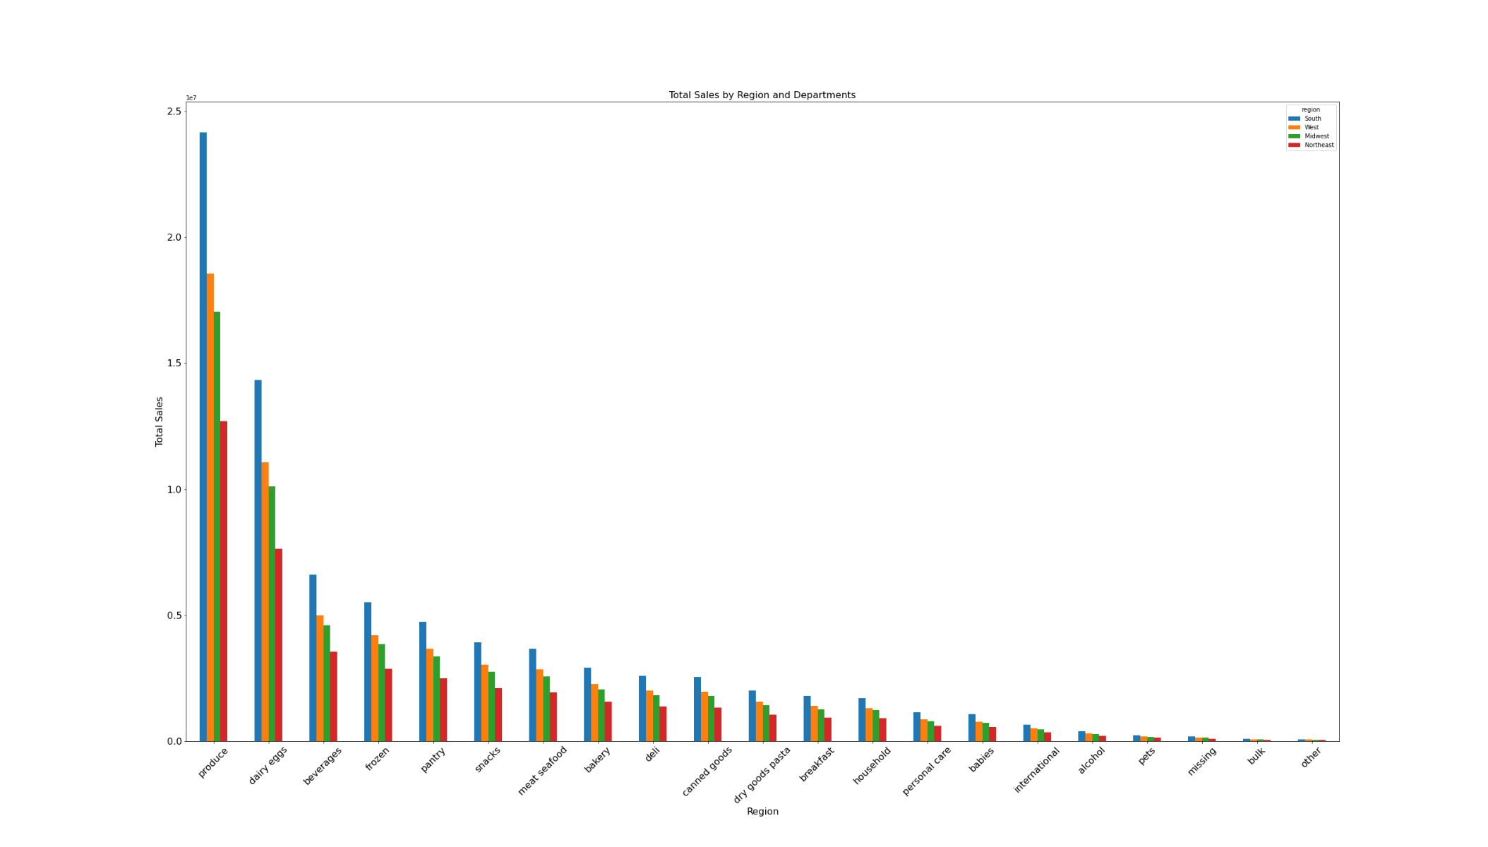
 | OBSERVATIONS:
 | As depicted by above bar charts, we could clearly see that both high spender and low spender customers are located in the South region followed by West, Midwest and Northeast.
 | However, as region is a group based on location, the number of states in each group may not be equal. For this purpose, let's see how many states in each regions.
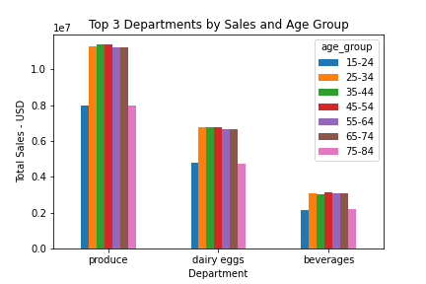

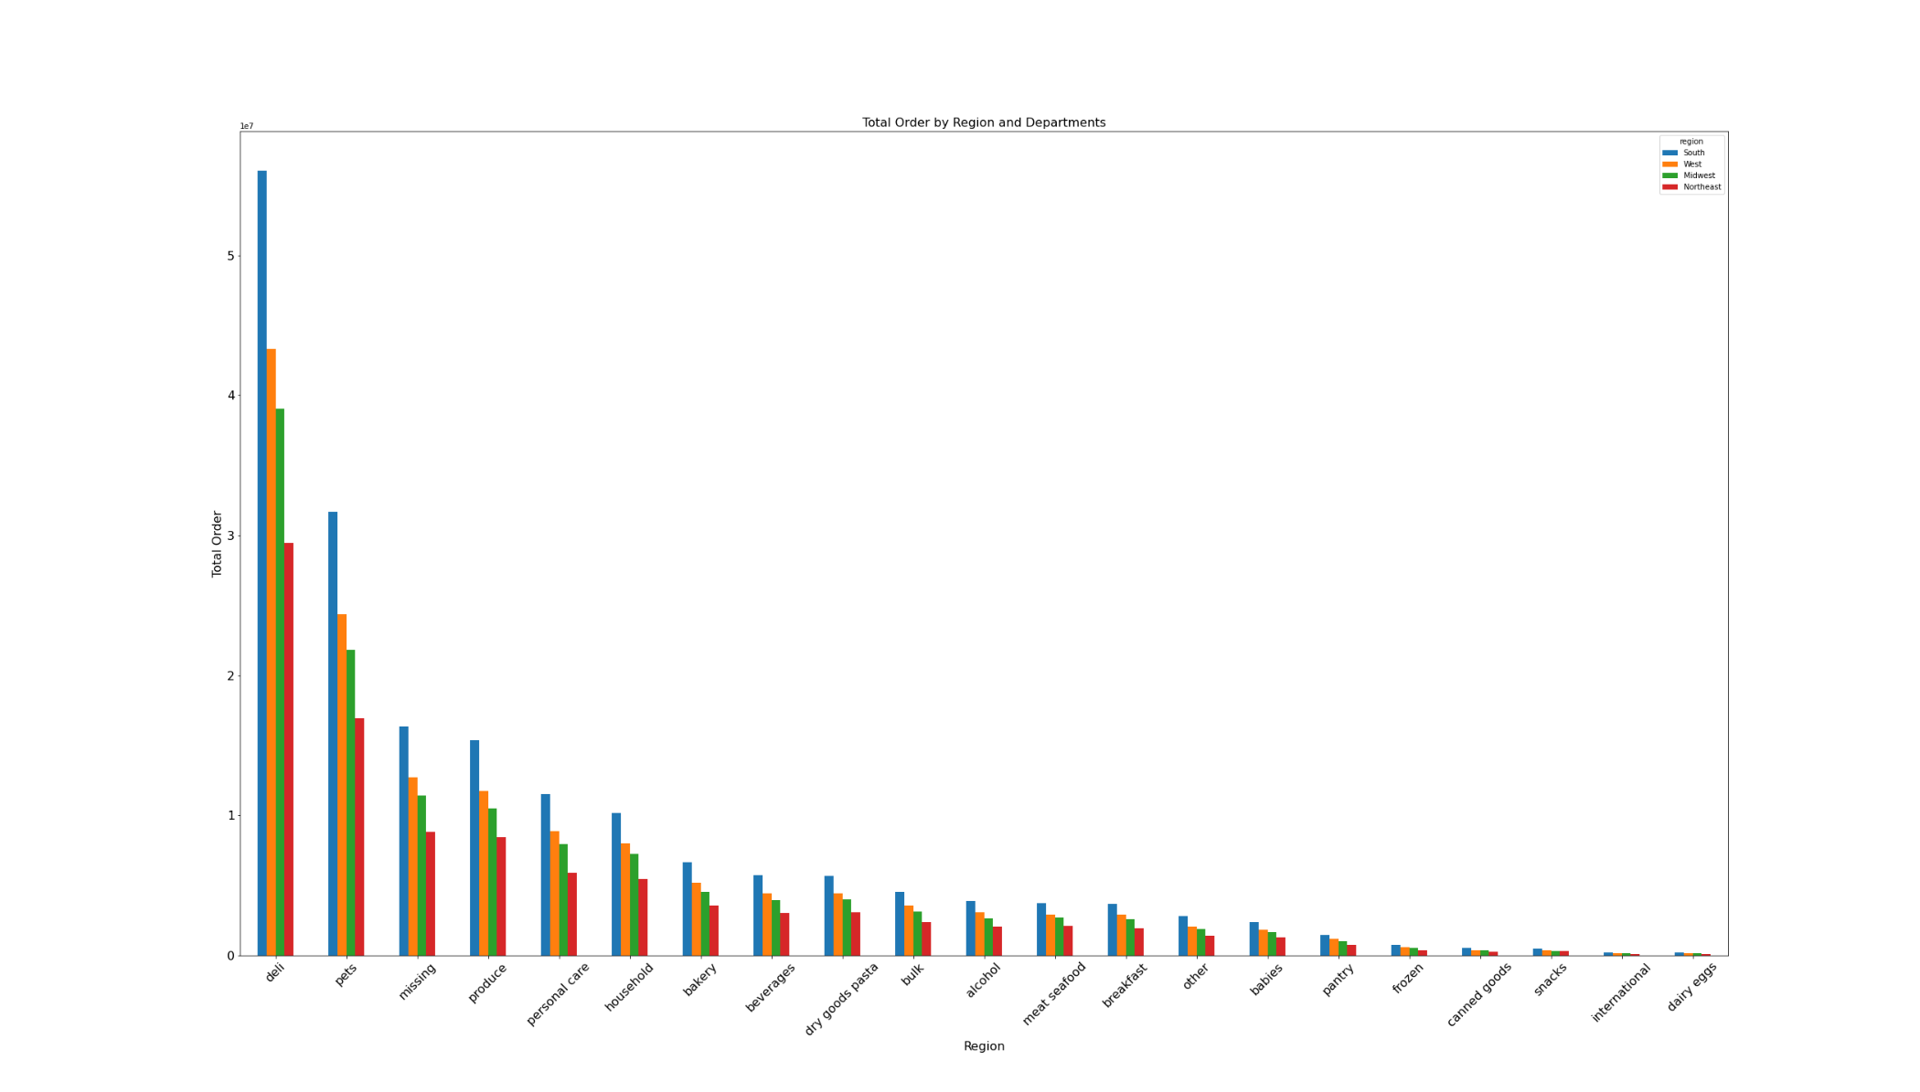

 | OBSERVATIONS:
 | a. As previously mentioned that age, income and family status in general do not make huge difference in terms of ordering habit.
 | b. The popularity of certain types of goods show also a similar pattern in 4 region.
 | c. Top 3 most profitable departments are produce, dairy eggs and beverages despite medium or low order quantity.
 | d. While products from deli and pets with high number of order can not beat those 3 most profitable department in terms of sales/profit.

 | RECOMMENDATIONS:
 | The similar demographic pattern could make ads generally applicable.
 | The adjustment in terms of ads should be considered with regard to products types and ads timing:
 |  | - Low to mid-range products should be advertised to all range of customers, particularly at minimum order period.
 |  | - High-range products ads should be targetted for customer who earns more than $200,000.
 | Top 3 most profitable departments are produce, dairy eggs and beverages despite medium or low order quantity.
 | Thus, profit can be increased if orders from these department can be increased by intensifying specific ads.

7. Recommendations
 |  |  | Title page

Recommendations

In this tab you should include any recommendations you would made to Instcart in terms of their marketing strategy based on the questions posed in the brief. Every key question has been covered in the Tasks of the Exercises - here you need to add an item - a visualisation or table/crosstable that is showing the answer in the data, acompanied by a comment from you. Please, list the questions below and add the answer underneath.
Question
Key Question 1 | The sales team needs to know what the busiest days of the week and hours of the day are (i.e., the days and times with the most orders) in order to schedule ads at times
Answer | Ads should be intensified when orders are at minimum period, at 4 - 9 PM during weekdays.
 | While during weekend, ads could be targetted for new customers, such as referal bonus. When many people are ordering, they might also see this interesting offer and ask their families, friends, etc. to join.

Key Question 2 | They also want to know whether there are particular times of the day when people spend the most money, as this might inform the type of products they advertise at these times.
Answer | Ads of high range products should be started at 10 AM until around 6 PM.

Key Question 3 | Instacart has a lot of products with different price tags. Marketing and sales want to use simpler price range groupings to help direct their efforts.
Answer | In general, the order of high-range products is considered low compared to the mid and low-range products.
 | Altough it may seem too tempting to sell more high-range products in order to gain high profit by just one order , however, it can be challenging as the price is also higher.
 | First, customer may think several times before buying and compare to other stores as they have to spend quite amount of money. This of course could influence the number of order.
 | Second, based on the first point, sales and marketing team should learn how the competition situation in the high-range products.
 | Third, high-range products means greater loss when it can be dealt properly, for example during delivery by supplier or during storing.
 | Ads can then be adjusted accordingly afterwards.

Key Question 4 | Are there certain types of products that are more popular than others? The marketing and sales teams want to know which departments have the highest frequency of product
Answer | Ads should be made more actively on these 4 departments, for example by regularly informing what products are currently on the discount and what will be discounted in the next turn.
 | For products from produce department, it should be highlighted in case those products are locally produced. This of course could influence customers who are aware of sustainability issue.

Key Question 5 | What’s the distribution among users in regards to their brand loyalty (i.e., how often do they return to Instacart)?
Answer | More research should be conducted on these groups, for example questionnaire on: why someone decides to join as a new customer, what makes them loyal and what encourage them to regularly shop on Instacart?
 | Once their motives are discovered, specific ads should be effectively targeted to each of this group.

Key Question 6 | Are there differences in ordering habits based on a customer’s loyalty status?
Answer | Regular reminder (for example: notification via app, email, etc.) could be used to encourage new customers to make new orders.

Key Question 7 | Are there differences in ordering habits based on a customer’s region?
Answer | Ads for pets and personal care should be effectively intensified as both has rather fixed customers.
 | For example: Pets products are of course interesting for people having pet at home.
 | And personal care can be easily divided into male and female groups and see the favorites among customers as Instacart has equal customers based on gender.
 | The data from department labelled missing here should be gained and researched more as there is promising market.

Key Question 8 | Is there a connection between age and family status in terms of ordering habits?
Answer | As there is no connection between family status and income in terms of ordering habit, so ads should be targetted to each of this group individually containing their corresponding products.

Key Question 9 | What different classifications does the demographic information suggest? Age? Income? Certain types of goods? Family status?
Answer | The similar demographic pattern could make ads generally applicable.
 | The adjustment in terms of ads should be considered with regard to products types and ads timing:
 |  | - Low to mid-range products should be advertised to all range of customers, particularly at minimum order period.
 |  | - High-range products ads should be targetted for customer who earns more than $200,000.
 | Top 3 most profitable departments are produce, dairy eggs and beverages despite medium or low order quantity.
 | Thus, profit can be increased if orders from these department can be increased by intensifying specific ads.

